CCF
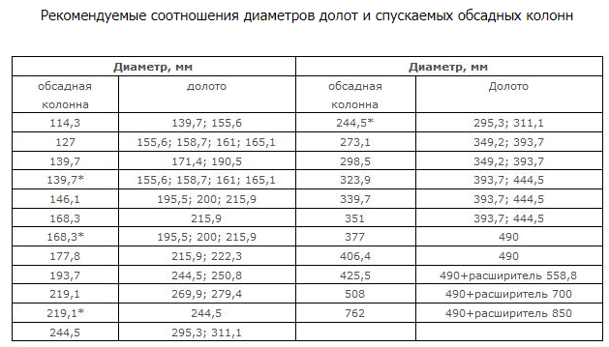

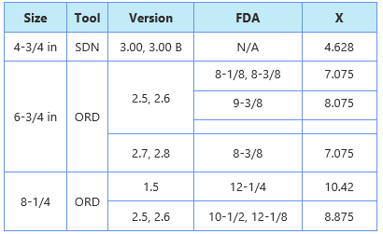
Выберете Tool из списка
6 3/4" ORD; 2.5, 2.6; 8 1/8", 8 3/8"
 | X = | 7.075

Casing ID | 228.6 | mm
CALX | 231.5 | mm
[Casing ID - CALX] < 0.4" |  | Good

CCF=(Casing ID - X)/(CALX - X)
CCF = | 0.944

CALCX=((CALX/25.4-X)*CCF+X)*25.4
CALX/DIAM01X= | 225 | mm
CALCX/DIAM01CX= | 222.5 | mm
(расчет по формуле)

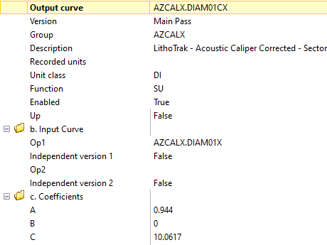
Для расчета скорректированных данных азимутального калипера за CCF в CADENCE, ADVANTAGE
DIAM01CX=A*DIAM01X+C
A = | 0.944
C = | 10.06168
DIAM01CX = | 222.5
(расчет с коэффициентами)

